Report
 |  |  |  | Crystal Ball Report - OptQuest
 |  |  |  | Optimization started on 8/4/2023 at 8:18 AM
 |  |  |  | Optimization stopped on 8/4/2023 at 8:28 AM

 | Run preferences:
 |  | Stochastic optimization (with simulation)
 |  | Low-confidence testing on
 |  | Maximum trials per simulation |  |  | 5,000
 |  | Monte Carlo
 |  | Seed |  |  | 54321

 | Run statistics:
 |  | Total optimization time (min:sec) |  |  | 10:01
 |  | Number of simulations |  |  | 3,469
 |  | Stopped by
 |  | Trials limit reached |  |  | 3,469
 |  | Precision control |  |  | 0
 |  | Low-confidence testing |  |  | 0
 |  | Infeasible constraints |  |  | 0
 |  | Simulation/second (average) |  |  | 6

 | Other statistics:
 |  | Number of infeasible solutions |  |  | 0
 |  | Due to requirements |  |  | 0
 |  | Due to non-linear constraints |  |  | 0

 | Crystal Ball data:
 |  | Objectives |  |  | 1
 |  | Requirements |  |  | 0
 |  | Constraints |  |  | 0
 |  | Linear |  |  | 0
 |  | Non-linear |  |  | 0
 |  | Constant |  |  | 0
 |  | Assumptions |  |  | 24
 |  | Correlations |  |  | 0
 |  | Correlation matrices |  |  | 0
 |  | Decision variables |  |  | 2
 |  | Forecasts |  |  | 1

 |  |  |  | OptQuest Results

Primary workbook: QN 12.xlsx

 | Summary:
 |  | After 3469 solutions were evaluated in 10 minutes and 1 second,, Objective the Mean
 |  | of Total profit was improved from $8,443,104.16 to $8,443,125.93, a change of 0.00%
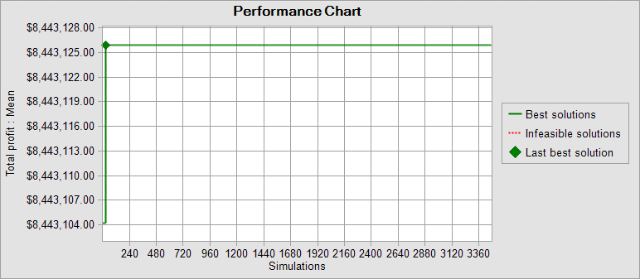

Objectives |  |  |  |  | Best Solution:
 |  | Maximize the Mean of Total profit |  |  | $8,443,125.93 | Cell: F47

Decision variables |  |  |  |  | Best Solution:
 |  | Initial Order |  |  | 381.00 | Cell: B11
 |  | Reorder point |  |  | 356.00 | Cell: B12

End of OptQuest Results
 |  |  |  | Target Forecasts for Best Solution

Worksheet: [QN 12.xlsx]Sheet1

Forecast: Total profit |  |  |  |  |  | Cell: F47

 | Summary:
 |  | Entire range is from $6,921,823.77 to $9,609,904.43
 |  | Base case is $(595,200.00)
 |  | After 5,000 trials, the std. error of the mean is $5,718.91

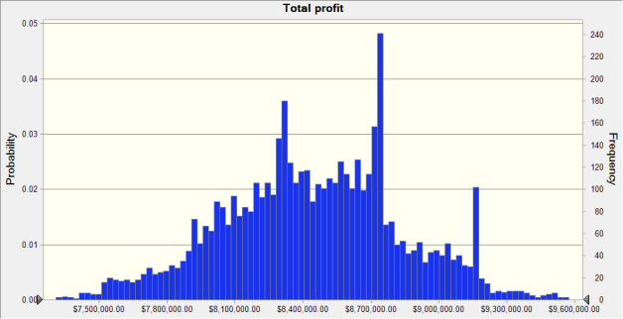

 | Statistics: |  | Forecast values
 |  | Trials | 5,000
 |  | Base Case | $(595,200.00)
 |  | Mean | $8,443,125.93
 |  | Median | $8,441,465.74
 |  | Mode | ---
 |  | Standard Deviation | $404,388.16
 |  | Variance | $163,529,785,749.44
 |  | Skewness | -0.0833
 |  | Kurtosis | 3.02
 |  | Coeff. of Variation | 0.0479
 |  | Minimum | $6,921,823.77
 |  | Maximum | $9,609,904.43
 |  | Range Width | $2,688,080.66
 |  | Mean Std. Error | $5,718.91

Forecast: Total profit (cont'd) |  |  |  |  |  | Cell: F47

 | Percentiles: |  | Forecast values
 |  | 0% | $6,921,823.77
 |  | 10% | $7,931,241.66
 |  | 20% | $8,099,671.20
 |  | 30% | $8,240,433.25
 |  | 40% | $8,332,167.19
 |  | 50% | $8,441,455.80
 |  | 60% | $8,563,177.57
 |  | 70% | $8,669,262.26
 |  | 80% | $8,747,655.04
 |  | 90% | $8,976,861.43
 |  | 100% | $9,609,904.43

End of Forecasts

